Application Screen
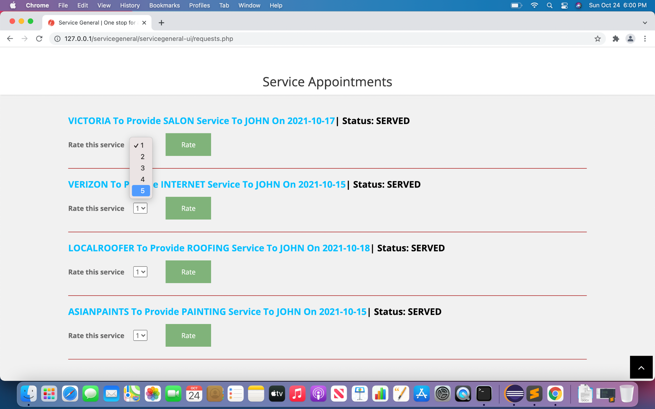
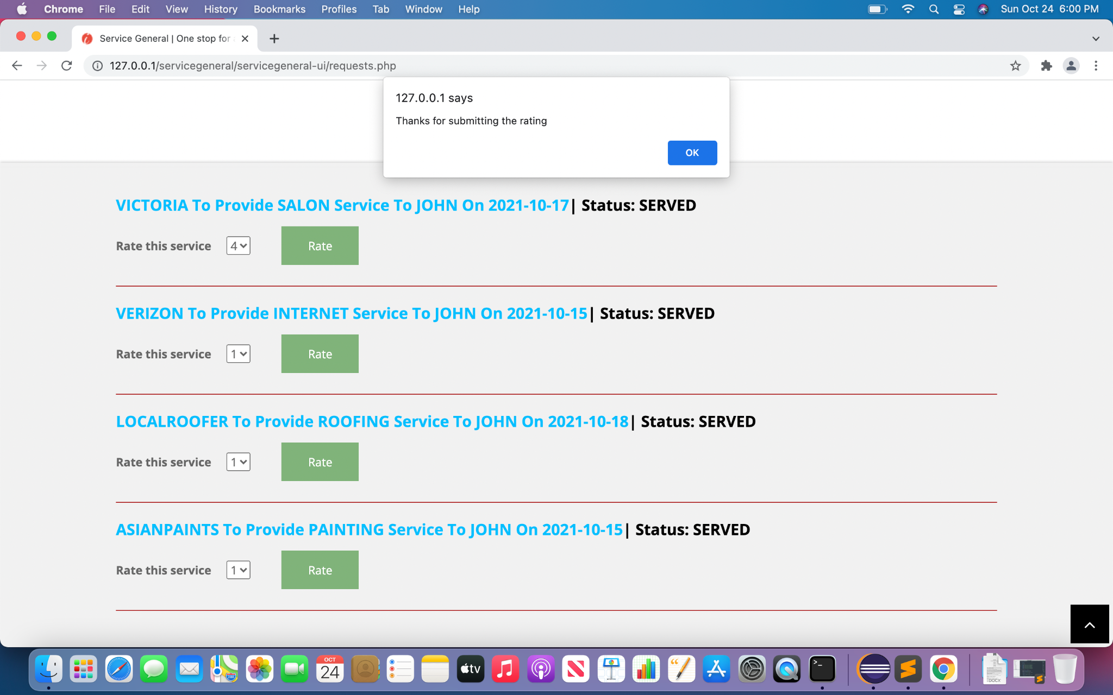
Requests Dashboard

Test Case 3
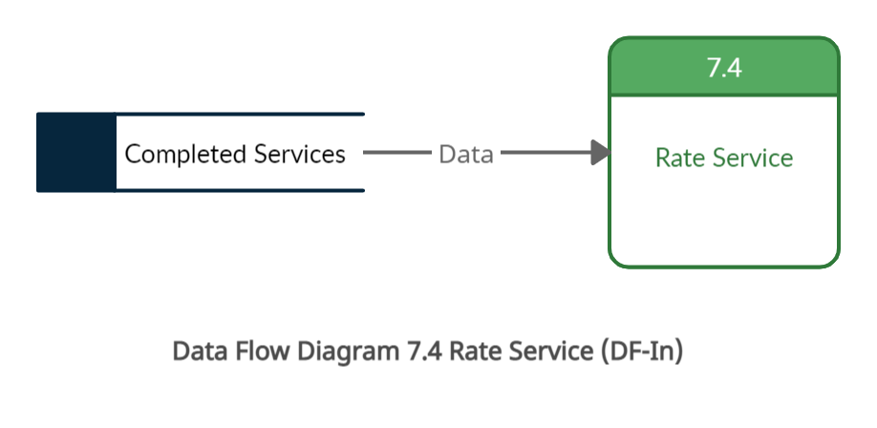
TC Title: | TC3. Rate Service - DF-In - Data Flow In

TC Objective: | This test case validates the data flows into 7.4 Rate Service is consumer data generated from 1.2 sign into account. Which should give access to the rate service page for the consumer

TC Description
 | Step | Step Description | Expected Results
 | 1 | Login to the application with the valid user id | Login should be successfull.
 | 2 | Go to the rate service page | User should be able to see and rate all the services which are served to him/her

Test Case 4
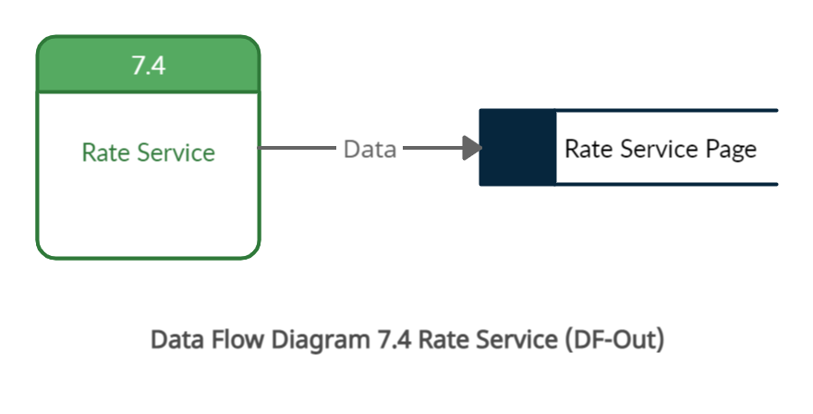
TC Title: | TC4. Update Profile - DF-Out - Data Flow Out

TC Objective: | To validate that Rate service generates the data which will be used to the service which displays the rating of the service.

TC Description
 | Step | Step Description | Expected Results
 | 1 | Login with the consumer user id | Log in should be successfull.
 | 2 | Go to the Rate service page and enter the Rating for service | Given rating should be displayed on the providers page.

